Housekeeping
 |  |  | Housekeeping Module

 |  |  |  | Person (Nemo after dot + number) | Name and surname | Supervisor | Staff | Linen change configuration | Choose one
 |  |  |  |  | Eg. JENNIFER LOPEZ | X |  | Each 1 day
How to create Person: |  |  |  |  | Eg. SUPERVISOR 2 | X |  | Each 2 days
ESVA.BALAG | BALAG01…. | BALAG15 |  |  |  |  |  | Each 3 days
ESHV.LUZHU | LUZHU01… | LUZHU07 |  |  | Eg. ANTONIO BANDERAS |  | X | Each 4 days
NLNH.AMSCE | AMSCE01… | AMSCE25 |  |  | Eg. JULIA ROBERTS |  | X
MXJC.GUAD | GUAD01… | GUAD18 |  |  | Eg. EXTRA1 |  | X
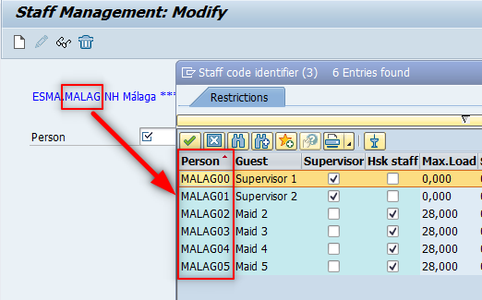
 |  |  |  |  | Eg. EXTRA2 |  | X

